Instructions
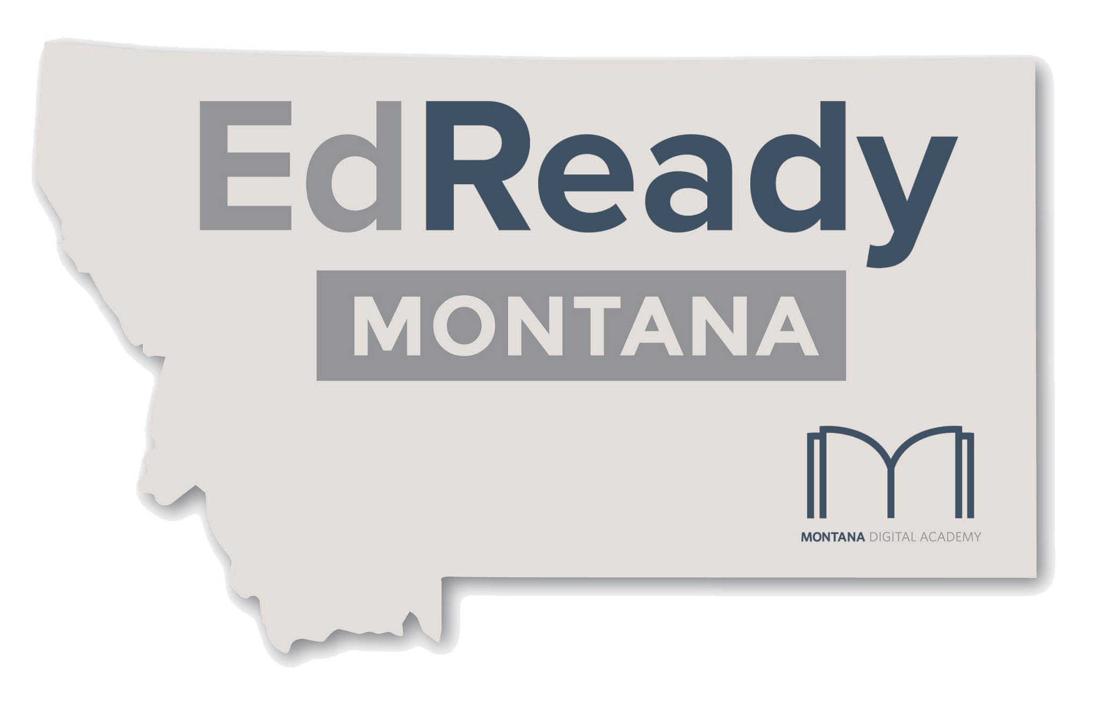

 | Welcome! | And thank you for your interest in EdReady Montana! This form is your menu for the Units, Lessons and Topics available in the EdReady Montana study system.
 |  | Put an X in the pink box beside each step as you finish it. The box will turn green.

x | Step 1: | Click on the tab labeled "Selection Form" at the bottom of this page.

x | Step 2: | In the blue boxes at the top of the form, give your assessment a title. Then tell us the name of your school, your name and an e-mail address in case we need to contact you.

x | Step 3: | At the left, you can see the content available in each Unit. Place a "Y" in the gray box at the right to include a topic in your assessment. The box will turn green.
 |  | Empty boxes or boxes that don't contain a "Y" will be omitted from your assessment. If you enter something other than "Y" in a box, it will turn white.

 | Step 4: | When you're done, just close the form. If you want to keep a copy, use the File > Download menu.

 | Step 5: | Notify the EdReady Montana staff by e-mail or phone. We'll double-check the form for you, then build the assessment in EdReady.

 | All done! | If you need more help or have questions about the material, please don't hesitate to contact us at support@edreadymontana.org.

